Figure A
 | Agency-assisted firms, 2016-2025

 | 2016 | 2017 | 2018 | 2019 | 2020 | 2021 | 2022 | 2023 | 2024 | 2025 | 2024-2025 | % change 2024-2025
PFT Jobs | 347,440 | 369,535 | 392,227 | 416,017 | 430,184 | 458,990 | 490,337 | 497,013 | 505,744 | 511,786 | 6,042 | 1.2%
Other Jobs | 39,642 | 40,084 | 41,664 | 42,590 | 39,968 | 40,376 | 45,920 | 41,668 | 41,228 | 42,822 | 1,594 | 3.9%
Total | 387,082 | 409,619 | 433,891 | 458,607 | 470,152 | 499,366 | 536,257 | 538,681 | 546,972 | 554,608 | 7,636 | 1.4%

Figure B
Jobs Gains, Losses and Net Change in Full-time and Part-time Employment in All Agency-assisted Firms, 2016-2025

 | 2016 | 2017 | 2018 | 2019 | 2020 | 2021 | 2022 | 2023 | 2024 | 2025
Net change Other | -183 | 442 | 1,580 | 926 | -2,622 | 408 | 5,544 | -4,252 | -440 | 1,594
Net Change PFT | 19,692 | 22,095 | 22,692 | 23,790 | 14,167 | 28,806 | 31,347 | 6,676 | 8,731 | 6,042
Other gains | 8,531 | 9,214 | 8,786 | 10,399 | 10,285 | 11,453 | 14,891 | 9,895 | 9,050 | 7,742
Other losses | -8,714 | -8,772 | -7,206 | -9,473 | -12,907 | -11,045 | -9,347 | -14,147 | -9,490 | -6,148
PFT gains | 36,515 | 40,115 | 39,214 | 42,596 | 40,493 | 52,868 | 54,752 | 40,105 | 38,303 | 25,840
PFT losses | -16,823 | -18,020 | -16,522 | -18,806 | -26,326 | -24,062 | -23,405 | -33,429 | -29,572 | -19,798

Total Job Gains | 45,046 | 49,329 | 48,000 | 52,995 | 50,778 | 64,321 | 69,643 | 50,000 | 47,353 | 33,582
Total Job Losses | -25,537 | -26,792 | -23,728 | -28,279 | -39,233 | -35,107 | -32,752 | -47,576 | -39,062 | -25,946

Figure C
Permanent, Full-time Employment in All Agency-assisted Companies by Region, 2016-2025
 | 2016 | 2017 | 2018 | 2019 | 2020 | 2021 | 2022 | 2023 | 2024 | 2025 | Change 2024/2025 | 2015-2024 | Share
Dublin | 126,324 | 137,062 | 145,926 | 157,811 | 165,309 | 179,692 | 196,479 | 198,386 | 201,473 | 203,901 | 2,428 | 2,428 | 39.8%
South and East (Mid East, Mid West, South East and South West) | 152,765 | 158,556 | 167,156 | 174,824 | 180,842 | 190,327 | 200,280 | 202,409 | 204,838 | 207,495 | 2,657 | 2,657 | 40.5%
BMW area (Border, Midlands, and West) | 68,351 | 73,917 | 79,145 | 83,382 | 84,033 | 88,971 | 93,578 | 96,218 | 99,433 | 100,390 | 957 | 957 | 19.6%
All Regions | 347,440 | 369,535 | 392,227 | 416,017 | 430,184 | 458,990 | 490,337 | 497,013 | 505,744 | 511,786 | 6,042 | 6,042 | 100.0%

Figure D
Trends in Permanent, Full-time Employment by Industrial and Services Sectors in All Agency-assisted Companies, 2016-2025

 | 2016 | 2017 | 2018 | 2019 | 2020 | 2021 | 2022 | 2023 | 2024 | 2025
Industry | 196,405 | 205,632 | 217,501 | 226,594 | 233,604 | 245,721 | 257,994 | 264,910 | 270,503 | 274,702 | 4,199 | 1.6%
Services | 151,035 | 163,903 | 174,726 | 189,423 | 196,580 | 213,269 | 232,343 | 232,103 | 235,241 | 237,084 | 1843 | 0.8%
All Sectors | 347,440 | 369,535 | 392,227 | 416,017 | 430,184 | 458,990 | 490,337 | 497,013 | 505,744 | 511,786

1.1
Trends in Permanent, Full-time (FT) Employment in Irish and Foreign-owned Agency-assisted Companies, 2016-2025

Row Labels | 2016 | 2017 | 2018 | 2019 | 2020 | 2021 | 2022 | 2023 | 2024 | 2025 | 2024-2025 | % change 2024-25 | 2016-2025 | % change 2016-25
Foreign Owned | 203,412 | 216,900 | 231,620 | 247,808 | 258,304 | 276,081 | 297,241 | 299,042 | 302,831 | 306,679 | 3,848 | 1.3% | 103,267 | 50.8%
Irish Owned | 144,028 | 152,635 | 160,607 | 168,209 | 171,880 | 182,909 | 193,096 | 197,971 | 202,913 | 205,107 | 2,194 | 1.1% | 61,079 | 42.4% | 61,079
Grand Total | 347,440 | 369,535 | 392,227 | 416,017 | 430,184 | 458,990 | 490,337 | 497,013 | 505,744 | 511,786 | 6,042 | 1.2% | 164,346 | 47.3%

Foreign Owned | 58.5% | 58.7% | 59.1% | 59.6% | 60.0% | 60.1% | 60.6% | 60.2% | 59.9% | 59.9%
Irish Owned | 41.5% | 41.3% | 40.9% | 40.4% | 40.0% | 39.9% | 39.4% | 39.8% | 40.1% | 40.1%

1.2
Trends in Part-time, Temporary and Short-term Contract Employment in Irish and Foreign-owned Agency-assisted Companies, 2016-2025

Row Labels | 2016 | 2017 | 2018 | 2019 | 2020 | 2021 | 2022 | 2023 | 2024 | 2025 | 2024-25 | % change 2024-25 | CARG 2016-25
Foreign Owned | 21,280 | 20,753 | 22,542 | 22,992 | 22,384 | 21,203 | 21,749 | 19,111 | 17,868 | 18,609 | 741 | 4.1% | -1.5%
Irish Owned | 18,362 | 19,331 | 19,122 | 19,598 | 17,584 | 19,173 | 24,171 | 22,557 | 23,360 | 24,213 | 853 | 3.7% | 3.1%
Grand Total | 39,642 | 40,084 | 41,664 | 42,590 | 39,968 | 40,376 | 45,920 | 41,668 | 41,228 | 42,822 | 1,594 | 3.9% | 0.9%

Foreign Owned | 53.7% | 51.8% | 54.1% | 54.0% | 56.0% | 52.5% | 47.4% | 45.9% | 43.3% | 43.5%
Irish Owned | 46.3% | 48.2% | 45.9% | 46.0% | 44.0% | 47.5% | 52.6% | 54.1% | 56.7% | 56.5%

1.3
Trends in Permanent, Full-time Employment by Industrial and Services Sectors in All Agency-assisted Companies, 2015-2024

 | 2016 | 2017 | 2018 | 2019 | 2020 | 2021 | 2022 | 2023 | 2024 | 2025 | 2024-25 | % change 2024-25
Industry | 196,405 | 205,632 | 217,501 | 226,594 | 233,604 | 245,721 | 257,994 | 264,910 | 270,503 | 274,702 | 4,199 | 1.6%
Services | 151,035 | 163,903 | 174,726 | 189,423 | 196,580 | 213,269 | 232,343 | 232,103 | 235,241 | 237,084 | 1,843 | 0.8%
All Sectors | 347,440 | 369,535 | 392,227 | 416,017 | 430,184 | 458,990 | 490,337 | 497,013 | 505,744 | 511,786 | 6,042 | 1.2%

Industry | 56.5% | 55.6% | 55.5% | 54.5% | 54.3% | 53.5% | 52.6% | 53.3% | 53.5% | 53.7%
Services | 43.5% | 44.4% | 44.5% | 45.5% | 45.7% | 46.5% | 47.4% | 46.7% | 46.5% | 46.3%

1.4
Trends in Permanent, Full-time Employment by Industrial and Services Sectors in Irish and Foreign Agency-assisted Companies, 2016-2025

Foreign Owned | 2016 | 2017 | 2018 | 2019 | 2020 | 2021 | 2022 | 2023 | 2024 | 2025 | 2024-2025 | % change 2024-2025
Industry | 98,709 | 101,865 | 107,457 | 113,344 | 117,606 | 123,015 | 130,628 | 134,180 | 136,088 | 138,888 | 2,800 | 2.1%
Services | 104,703 | 115,035 | 124,163 | 134,464 | 140,698 | 153,066 | 166,613 | 164,862 | 166,743 | 167,791 | 1,048 | 0.6%
 | 203,412 | 216,900 | 231,620 | 247,808 | 258,304 | 276,081 | 297,241 | 299,042 | 302,831 | 306,679 | 3,848 | 1.3%

Irish Owned | 2016 | 2017 | 2018 | 2019 | 2020 | 2021 | 2022 | 2023 | 2024 | 2025
Industry | 97,696 | 103,767 | 110,044 | 113,250 | 115,998 | 122,706 | 127,366 | 130,730 | 134,415 | 135,814 | 1,399 | 1.0%
Services | 46,332 | 48,868 | 50,563 | 54,959 | 55,882 | 60,203 | 65,730 | 67,241 | 68,498 | 69,293 | 795 | 1.2%
 | 144,028 | 152,635 | 160,607 | 168,209 | 171,880 | 182,909 | 193,096 | 197,971 | 202,913 | 205,107 | 2,194 | 1.1%

Foreign Owned | 2016 | 2017 | 2018 | 2019 | 2020 | 2021 | 2022 | 2023 | 2024 | 2025
Industry | 48.5% | 47.0% | 46.4% | 45.7% | 45.5% | 44.6% | 43.9% | 44.9% | 44.9% | 45.3%
Services | 51.5% | 53.0% | 53.6% | 54.3% | 54.5% | 55.4% | 56.1% | 55.1% | 55.1% | 54.7%

Irish Owned | 2016 | 2017 | 2018 | 2019 | 2020 | 2021 | 2022 | 2023 | 2024 | 2025
Industry | 67.8% | 68.0% | 68.5% | 67.3% | 67.5% | 67.1% | 66.0% | 66.0% | 66.2% | 66.2%
Services | 32.2% | 32.0% | 31.5% | 32.7% | 32.5% | 32.9% | 34.0% | 34.0% | 33.8% | 33.8%
Foreign Owned
Irish Owned

Employment by Broad Sector
Employment by Broad Sector

1.5
Trends in Permanent, Full-time Employment in Irish and Foreign Agency-assisted Companies by Industry and Service Sectors, 2016-2025

Industry +Primary) | 2016 | 2017 | 2018 | 2019 | 2020 | 2021 | 2022 | 2023 | 2024 | 2025 | 2016-2025 | % Growth 2024-2025 | Share
Foreign Owned | 98,709 | 101,865 | 107,457 | 113,344 | 117,606 | 123,015 | 130,628 | 134,180 | 136,088 | 138,888 | 40,179 | 40.7% | 51.3%
Irish Owned | 97,696 | 103,767 | 110,044 | 113,250 | 115,998 | 122,706 | 127,366 | 130,730 | 134,415 | 135,814 | 38,118 | 39.0% | 48.7% | 1,399
Total Ind +Primary | 196,405 | 205,632 | 217,501 | 226,594 | 233,604 | 245,721 | 257,994 | 264,910 | 270,503 | 274,702 | 78,297 | 39.9%
Services
Foreign Owned | 104,703 | 115,035 | 124,163 | 134,464 | 140,698 | 153,066 | 166,613 | 164,862 | 166,743 | 167,791 | 63,088 | 60.3% | 73.3%
Irish Owned | 46,332 | 48,868 | 50,563 | 54,959 | 55,882 | 60,203 | 65,730 | 67,241 | 68,498 | 69,293 | 22,961 | 49.6% | 26.7%
Services Total | 151,035 | 163,903 | 174,726 | 189,423 | 196,580 | 213,269 | 232,343 | 232,103 | 235,241 | 237,084 | 86,049 | 57.0%
Grand Total | 347,440 | 369,535 | 392,227 | 416,017 | 430,184 | 458,990 | 490,337 | 497,013 | 505,744 | 511,786 | 164,346 | 47.3%
 |  |  |  |  |  |  |  |  |  | 86,049 | 73.3%
Industry
Foreign Owned | 50.3% | 49.5% | 49.4% | 50.0% | 50.3% | 50.1% | 50.6% | 50.7% | 50.3% | 50.6%
Irish Owned | 49.7% | 50.5% | 50.6% | 50.0% | 49.7% | 49.9% | 49.4% | 49.3% | 49.7% | 49.4%
Services | 100.0% | 100.0% | 100.0% | 100.0% | 100.0% | 100.0% | 100.0% | 100.0% | 100.0% | 100.0%
Foreign Owned | 69.3% | 70.2% | 71.1% | 71.0% | 71.6% | 71.8% | 71.7% | 71.0% | 70.9% | 70.8%
Irish Owned | 30.7% | 29.8% | 28.9% | 29.0% | 28.4% | 28.2% | 28.3% | 29.0% | 29.1% | 29.2%
Industry
Services

1.6
Trends in Part-time, Temporary and Short-term Contract Employment by Sector in All Agency-assisted Companies, 2015-2024

 | #REF! | #REF! | #REF! | #REF! | #REF! | #REF! | #REF! | #REF! | #REF! | #REF! | 2016-2025 | CARG - Annual Growth Rate
Industry | 22,060 | 23,098 | 23,597 | 23,609 | 22,509 | 22,261 | 25,249 | 21,212 | 21,376 | 23,221 | 5.3% | 0.6%
Services | 17,582 | 16,986 | 18,067 | 18,981 | 17,459 | 18,115 | 20,671 | 20,456 | 19,852 | 19,601 | 11.5% | 1.2%
All Sectors | 39,642 | 40,084 | 41,664 | 42,590 | 39,968 | 40,376 | 45,920 | 41,668 | 41,228 | 42,822 | 8.0% | 0.9%

Industry | 55.6% | 57.6% | 56.6% | 55.4% | 56.3% | 55.1% | 55.0% | 50.9% | 51.8% | 54.2%
Services | 44.4% | 42.4% | 43.4% | 44.6% | 43.7% | 44.9% | 45.0% | 49.1% | 48.2% | 45.8%

1.7
Job Gains, Losses and Net Change in Permanent Full-time Employment in All Agency-assisted Companies, 2016-2025

All Firms | 2016 | 2017 | 2018 | 2019 | 2020 | 2021 | 2022 | 2023 | 2024 | 2025 | 2024-2025 | % change 2024-2025 | 2016-2025 | % change 2016-2025
PFT Gains | 36,515 | 40,115 | 39,214 | 42,596 | 40,493 | 52,868 | 54,752 | 40,105 | 38,303 | 25,840 | -12,463 | -32.5% | -10675 | -29.2%
PFT Losses | -16,823 | -18,020 | -16,522 | -18,806 | -26,326 | -24,062 | -23,405 | -33,429 | -29,572 | -19,798 | 9,774 | -33.1% | -2975 | 17.7%
PFT Net change | 19,692 | 22,095 | 22,692 | 23,790 | 14,167 | 28,806 | 31,347 | 6,676 | 8,731 | 6,042 | -2,689 | -30.8% | -13650 | -69.3%

1.8
Job Gains, Losses and Net Change in Permanent, Full-time Employment in Irish- owned Agency-assisted Companies, 2016-2025

Irish Owned | 2016 | 2017 | 2018 | 2019 | 2020 | 2021 | 2022 | 2023 | 2024 | 2025 | 2024-2025 | % change 2024-2025 | 2016-2025 | % change 2016-2025
PFT Gains | 14,461 | 15,915 | 14,367 | 16,340 | 17,682 | 19,900 | 19,875 | 17,058 | 15,188 | 9,547 | -5,641 | -37.1% | -4914 | -34.0%
PFT Losses | -8,237 | -7,308 | -6,395 | -8,738 | -14,011 | -8,871 | -9,688 | -12,183 | -10,246 | -7,353 | 2,893 | -28.2% | 884 | -10.7%
PFT Net change | 6,224 | 8,607 | 7,972 | 7,602 | 3,671 | 11,029 | 10,187 | 4,875 | 4,942 | 2,194 | -2,748 | -55.6% | -4030 | -64.7%

1.9
Job Gains, Losses and Net Change in Permanent, Full-time Employment in Foreign-owned Agency-assisted Companies, 2016-2025

Foreign Owned | 2016 | 2017 | 2018 | 2019 | 2020 | 2021 | 2022 | 2023 | 2024 | 2025 | 2024-2025 | % change 2024-2025 | 2016-2025 | % change 2016-2025
PFT gains | 22,054 | 24,200 | 24,847 | 26,256 | 22,811 | 32,968 | 34,877 | 23,047 | 23,115 | 16,293 | -6,822 | -29.5% | -5,761 | -26.1%
PFT losses | -8,586 | -10,712 | -10,127 | -10,068 | -12,315 | -15,191 | -13,717 | -21,246 | -19,326 | -12,445 | 6,881 | -35.6% | -3,859 | 44.9%
PFT net change | 13,468 | 13,488 | 14,720 | 16,188 | 10,496 | 17,777 | 21,160 | 1,801 | 3,789 | 3,848 | 59 | 1.6% | -9,620 | -71.4%

2.1
Permanent, Full-time Employment in All Agency-assisted Companies by Region, 2016-2025

 | 2016 | 2017 | 2018 | 2019 | 2020 | 2021 | 2022 | 2023 | 2024 | 2025 | 2024-2025 | % change 2024-2025 | 2016-2025 | % change 2016-2025
Dublin | 126,324 | 137,062 | 145,926 | 157,811 | 165,309 | 179,692 | 196,479 | 198,386 | 201,473 | 203,901 | 2,428 | 1.2% | 77,577 | 61.4%
South and East (Mid East, Mid West, South East and South West) | 152,765 | 158,556 | 167,156 | 174,824 | 180,842 | 190,327 | 200,280 | 202,409 | 204,838 | 207,495 | 2,657 | 1.3% | 54,730 | 35.8%
BMW area (Border, Midlands, and West | 68,351 | 73,917 | 79,145 | 83,382 | 84,033 | 88,971 | 93,578 | 96,218 | 99,433 | 100,390 | 957 | 1.0% | 32,039 | 46.9%
All Regions | 347,440 | 369,535 | 392,227 | 416,017 | 430,184 | 458,990 | 490,337 | 497,013 | 505,744 | 511,786 | 6,042 | 1.2% | 164,346 | 47.3%

 | 2016 | 2017 | 2018 | 2019 | 2020 | 2021 | 2022 | 2023 | 2024 | 2025
BMW area | 19.7% | 20.0% | 20.2% | 20.0% | 19.5% | 19.4% | 19.1% | 19.4% | 19.7% | 19.6%
South and East | 44.0% | 42.9% | 42.6% | 42.0% | 42.0% | 41.5% | 40.8% | 40.7% | 40.5% | 40.5%
Dublin | 36.4% | 37.1% | 37.2% | 37.9% | 38.4% | 39.1% | 40.1% | 39.9% | 39.8% | 39.8%

2.2
Permanent, Full-time Employment in Irish-owned Agency-assisted Companies by Region, 2016-2025
Sum of PFT | Column Labels
Row Labels | 2016 | 2017 | 2018 | 2019 | 2020 | 2021 | 2022 | 2023 | 2024 | 2025 | 2024-2025 | % change 2024-2025
Border | 12,684 | 13,641 | 14,562 | 15,129 | 15,056 | 15,984 | 16,659 | 17,613 | 18,713 | 19,038 | 325 | 1.7%
Dublin | 43,297 | 45,674 | 48,427 | 51,711 | 53,394 | 57,875 | 62,161 | 63,893 | 64,894 | 64,973 | 79 | 0.1%
Mid East | 19,085 | 20,050 | 20,769 | 21,835 | 22,264 | 23,218 | 23,542 | 24,190 | 24,489 | 24,825 | 336 | 1.4%
Mid West | 12,445 | 13,641 | 14,436 | 15,071 | 16,228 | 17,550 | 18,155 | 18,045 | 18,876 | 19,064 | 188 | 1.0%
Midlands | 7,666 | 8,149 | 8,610 | 9,026 | 9,204 | 9,409 | 9,893 | 9,680 | 10,181 | 10,604 | 423 | 4.2%
South East | 13,512 | 14,239 | 15,383 | 15,817 | 16,421 | 18,000 | 19,362 | 19,978 | 19,799 | 20,145 | 346 | 1.7%
South West | 22,494 | 23,244 | 23,677 | 24,357 | 24,319 | 24,750 | 26,231 | 26,978 | 27,219 | 27,813 | 594 | 2.2%
West | 12,845 | 13,997 | 14,743 | 15,263 | 14,994 | 16,123 | 17,093 | 17,594 | 18,742 | 18,645 | -97 | -0.5%
Grand Total | 144,028 | 152,635 | 160,607 | 168,209 | 171,880 | 182,909 | 193,096 | 197,971 | 202,913 | 205,107 | 2,194 | 1.1%

 | 2016 | 2017 | 2018 | 2019 | 2020 | 2021 | 2022 | 2023 | 2024 | 2025 | 2024-2025 | % change 2024-2025 | 2016-2025 | % change 2016-2025
Dublin | 43,297 | 45,674 | 48,427 | 51,711 | 53,394 | 57,875 | 62,161 | 63,893 | 64,894 | 64,973 | 79 | 0.1% | 21,676 | 50.1%
South and East (Mid East, Mid West, South East and South West) | 67,536 | 71,174 | 74,265 | 77,080 | 79,232 | 83,518 | 87,290 | 89,191 | 90,383 | 91,847 | 1,464 | 1.6% | 24,311 | 36.0%
BMW (Borders, Midlands and West) | 33,195 | 35,787 | 37,915 | 39,418 | 39,254 | 41,516 | 43,645 | 44,887 | 47,636 | 48,287 | 651 | 1.4% | 15,092 | 45.5%
All Regions | 144,028 | 152,635 | 160,607 | 168,209 | 171,880 | 182,909 | 193,096 | 197,971 | 202,913 | 205,107 | 2,194 | 1.1% | 61,079 | 42.4%

 | 2016 | 2017 | 2018 | 2019 | 2020 | 2021 | 2022 | 2023 | 2024 | 2025
Dublin | 30.1% | 29.9% | 30.2% | 30.7% | 31.1% | 31.6% | 32.2% | 32.3% | 32.0% | 31.7%
South and East | 46.9% | 46.6% | 46.2% | 45.8% | 46.1% | 45.7% | 45.2% | 45.1% | 44.5% | 44.8%
BMW | 23.0% | 23.4% | 23.6% | 23.4% | 22.8% | 22.7% | 22.6% | 22.7% | 23.5% | 23.5%

2.3
Permanent, Full-time Employment in Foreign-owned Agency-assisted Companies by Region, 2024-2025

Row Labels | 2016 | 2017 | 2018 | 2019 | 2020 | 2021 | 2022 | 2023 | 2024 | 2025 | 2024-2025 | % change 2024-2025
Border | 9,745 | 10,603 | 11,247 | 12,169 | 12,251 | 12,659 | 12,526 | 13,308 | 13,081 | 13,584 | 503 | 3.8%
Dublin | 83,027 | 91,388 | 97,499 | 106,100 | 111,915 | 121,817 | 134,318 | 134,493 | 136,579 | 138,928 | 2,349 | 1.7%
Mid East | 18,528 | 17,031 | 17,932 | 19,224 | 20,049 | 21,022 | 23,307 | 21,629 | 21,243 | 20,725 | -518 | -2.4%
Mid West | 18,998 | 20,241 | 21,166 | 22,158 | 23,042 | 23,802 | 25,136 | 25,796 | 27,048 | 27,231 | 183 | 0.7%
Midlands | 5,319 | 5,679 | 6,363 | 6,871 | 7,055 | 7,745 | 8,107 | 8,705 | 8,674 | 8,301 | -373 | -4.3%
South East | 11,385 | 12,078 | 12,782 | 13,250 | 13,579 | 14,640 | 15,159 | 14,952 | 15,425 | 16,142 | 717 | 4.6%
South West | 36,318 | 38,032 | 41,011 | 43,112 | 44,940 | 47,345 | 49,388 | 50,841 | 50,739 | 51,550 | 811 | 1.6%
West | 20,092 | 21,848 | 23,620 | 24,924 | 25,473 | 27,051 | 29,300 | 29,318 | 30,042 | 30,218 | 176 | 0.6%
Grand Total | 203,412 | 216,900 | 231,620 | 247,808 | 258,304 | 276,081 | 297,241 | 299,042 | 302,831 | 306,679 | 3,848 | 1.3%

 | 2016 | 2017 | 2018 | 2019 | 2020 | 2021 | 2022 | 2023 | 2024 | 2025 | 2024-2025 | % change 2024-2025 | 2016-2025 | % change 2016-2025
BMW | 35,156 | 38,130 | 41,230 | 43,964 | 44,779 | 47,455 | 49,933 | 51,331 | 51,797 | 52,103 | 306 | 0.6% | 16,947 | 48.2% | 8.0%
South and East | 85,229 | 87,382 | 92,891 | 97,744 | 101,610 | 106,809 | 112,990 | 113,218 | 114,455 | 115,648 | 1,193 | 1.0% | 30,419 | 35.7% | 31.0%
Dublin | 83,027 | 91,388 | 97,499 | 106,100 | 111,915 | 121,817 | 134,318 | 134,493 | 136,579 | 138,928 | 2,349 | 1.7% | 55,901 | 67.3% | 61.0%
All Regions | 203,412 | 216,900 | 231,620 | 247,808 | 258,304 | 276,081 | 297,241 | 299,042 | 302,831 | 306,679 | 3,848 | 1.3% | 103,267 | 50.8% | 100.0%

 | 2016 | 2017 | 2018 | 2019 | 2020 | 2021 | 2022 | 2023 | 2024 | 2025
BMW | 17.3% | 17.6% | 17.8% | 17.7% | 17.3% | 17.2% | 16.8% | 17.2% | 17.1% | 17.0%
South and East | 41.9% | 40.3% | 40.1% | 39.4% | 39.3% | 38.7% | 38.0% | 37.9% | 37.8% | 37.7%
Dublin | 40.8% | 42.1% | 42.1% | 42.8% | 43.3% | 44.1% | 45.2% | 45.0% | 45.1% | 45.3%
 |  |  |  |  |  |  |  |  |  | 100.0%

 | 2016 | 2017 | 2018 | 2019 | 2020 | 2021 | 2022 | 2023 | 2024 | 2025
BMW | 35,156 | 38,130 | 41,230 | 43,964 | 44,779 | 47,455 | 49,933 | 51,331 | 51,797 | 52,103
South and East | 85,229 | 87,382 | 92,891 | 97,744 | 101,610 | 106,809 | 112,990 | 113,218 | 114,455 | 115,648
Dublin | 83,027 | 91,388 | 97,499 | 106,100 | 111,915 | 121,817 | 134,318 | 134,493 | 136,579 | 138,928
All Regions | 203,412 | 216,900 | 231,620 | 247,808 | 258,304 | 276,081 | 297,241 | 299,042 | 302,831 | 306,679

3.1
Sectoral Trends in Permanent, Full-time Employment in All Agency-assisted Companies, 2016-2025

 | 2016 | 2017 | 2018 | 2019 | 2020 | 2021 | 2022 | 2023 | 2024 | 2025 | 2024-2025 | % change 2024-2025 | 2016-2025 | % change 2016-2025 | % of 2024-2025 Total
Construction, Utilities & Primary Production | 15,871 | 17,562 | 20,041 | 20,902 | 23,299 | 25,933 | 28,169 | 28,376 | 29,499 | 29,994 | 495 | 1.7% | 14,123 | 89.0% | 8.2%
Manufacturing | 180,534 | 188,070 | 197,460 | 205,692 | 210,305 | 219,788 | 229,825 | 236,534 | 241,004 | 244,708 | 3,704 | 1.5% | 64,174 | 35.5% | 61.3%
Total Industry | 196,405 | 205,632 | 217,501 | 226,594 | 233,604 | 245,721 | 257,994 | 264,910 | 270,503 | 274,702 | 4,199 | 1.6% | 78,297 | 39.9% | 69.5%
Business, Financial & Other Services | 63,305 | 68,329 | 71,859 | 78,871 | 80,929 | 85,757 | 92,780 | 95,395 | 99,579 | 101,384 | 1,805 | 1.8% | 38,079 | 60.2% | 29.9% | 38,079
Information, Communication & Computer Services | 87,730 | 95,574 | 102,867 | 110,552 | 115,651 | 127,512 | 139,563 | 136,708 | 135,662 | 135,700 | 38 | 0.0% | 47,970 | 54.7% | 0.6%
Total Services | 151,035 | 163,903 | 174,726 | 189,423 | 196,580 | 213,269 | 232,343 | 232,103 | 235,241 | 237,084 | 1,843 | 0.8% | 86,049 | 57.0% | 30.5%
All Sectors | 347,440 | 369,535 | 392,227 | 416,017 | 430,184 | 458,990 | 490,337 | 497,013 | 505,744 | 511,786 | 6,042 | 1.2% | 164,346 | 47.3% | 100.0%

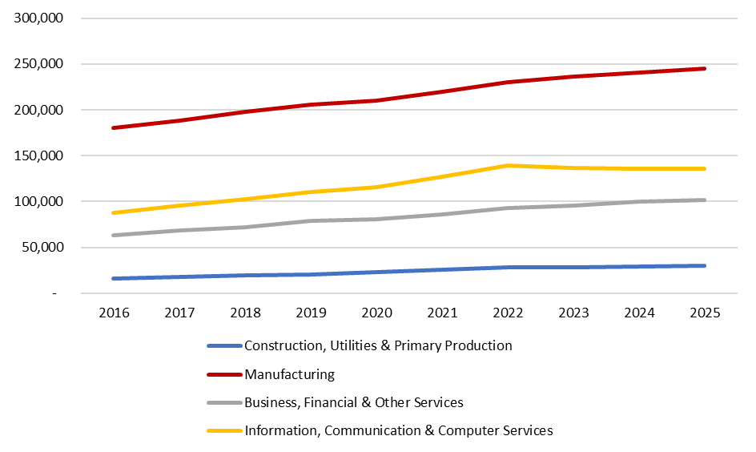

3.2
Sectoral Proportions in Permanent, Full-time Employment in All Agency- assisted Companies, 2016-2025

 | 2016 | 2017 | 2018 | 2019 | 2020 | 2021 | 2022 | 2023 | 2024 | 2025
Construction, Utilities & Primary Production | 15,871 | 17,562 | 20,041 | 20,902 | 23,299 | 25,933 | 28,169 | 28,376 | 29,499 | 29,994
Manufacturing | 180,534 | 188,070 | 197,460 | 205,692 | 210,305 | 219,788 | 229,825 | 236,534 | 241,004 | 244,708
Total Industry | 196,405 | 205,632 | 217,501 | 226,594 | 233,604 | 245,721 | 257,994 | 264,910 | 270,503 | 274,702
Business, Financial & Other Services | 63,305 | 68,329 | 71,859 | 78,871 | 80,929 | 85,757 | 92,780 | 95,395 | 99,579 | 101,384
Information, Communication & Computer Services | 87,730 | 95,574 | 102,867 | 110,552 | 115,651 | 127,512 | 139,563 | 136,708 | 135,662 | 135,700
Total Services | 151,035 | 163,903 | 174,726 | 189,423 | 196,580 | 213,269 | 232,343 | 232,103 | 235,241 | 237,084
All Sectors | 347,440 | 369,535 | 392,227 | 416,017 | 430,184 | 458,990 | 490,337 | 497,013 | 505,744 | 511,786

 | 2016 | 2017 | 2018 | 2019 | 2020 | 2021 | 2022 | 2023 | 2024 | 2025
Construction, Utilities & Primary Production | 4.6% | 4.8% | 5.1% | 5.0% | 5.4% | 5.7% | 5.7% | 5.7% | 5.8% | 5.9%
Manufacturing | 52.0% | 50.9% | 50.3% | 49.4% | 48.9% | 47.9% | 46.9% | 47.6% | 47.7% | 47.8%
Total Industry | 56.5% | 55.6% | 55.5% | 54.5% | 54.3% | 53.5% | 52.6% | 53.3% | 53.5% | 53.7%
Business, Financial & Other Services | 18.2% | 18.5% | 18.3% | 19.0% | 18.8% | 18.7% | 18.9% | 19.2% | 19.7% | 19.8%
Information, Communication & Computer Services | 25.3% | 25.9% | 26.2% | 26.6% | 26.9% | 27.8% | 28.5% | 27.5% | 26.8% | 26.5%
Total Services | 43.5% | 44.4% | 44.5% | 45.5% | 45.7% | 46.5% | 47.4% | 46.7% | 46.5% | 46.3%
All Sectors | 100.0% | 100.0% | 100.0% | 100.0% | 100.0% | 100.0% | 100.0% | 100.0% | 100.0% | 100.0%

Graph
 | 2016 | 2017 | 2018 | 2019 | 2020 | 2021 | 2022 | 2023 | 2024 | 2025
Construction, Utilities & Primary Production | 4.6% | 4.8% | 5.1% | 5.0% | 5.4% | 5.7% | 5.7% | 5.7% | 5.8% | 5.9% | 1.3%
Manufacturing | 52.0% | 50.9% | 50.3% | 49.4% | 48.9% | 47.9% | 46.9% | 47.6% | 47.7% | 47.8%
Business, Financial & Other Services | 18.2% | 18.5% | 18.3% | 19.0% | 18.8% | 18.7% | 18.9% | 19.2% | 19.7% | 19.8%
Information, Communication & Computer Services | 25.3% | 25.9% | 26.2% | 26.6% | 26.9% | 27.8% | 28.5% | 27.5% | 26.8% | 26.5%

2016
2025

3.3
Sectoral Trends in Permanent, Full-time Employment in Irish-owned Agency- assisted Companies, 2016-2025

 | 2021 | 2022 | 2023 | 2024 | 2025 | 2024-2025 | % 2024-25 | 2016-2025 | % Change 2016-2025
 | 23,863 | 26,068 | 26,660 | 27,802 | 28,273 | 471 | 1.7% | 13,370 | 89.7%
 | 98,843 | 101,298 | 104,070 | 106,613 | 107,541 | 928 | 0.9% | 24,748 | 29.9%
 | 122,706 | 127,366 | 130,730 | 134,415 | 135,814 | 1,399 | 1.0% | 38,118 | 39.0%
 | 35,934 | 39,407 | 40,343 | 41,879 | 42,893 | 1,014 | 2.4% | 14,921 | 53.3%
 | 24,269 | 26,323 | 26,898 | 26,619 | 26,400 | -219 | -0.8% | 8,040 | 43.8%
 | 60,203 | 65,730 | 67,241 | 68,498 | 69,293 | 795 | 1.1% | 22,961 | 49.6%
 | 182,909 | 193,096 | 197,971 | 202,913 | 205,107 | 2,194 | 1.1% | 61,079 | 42.4%

 | Construction, Utilities & Primary Production | Manufacturing | Business, Financial & Other Services | Information, Communication & Computer Services
2016 | 14,903 | 82,793 | 27,972 | 18,360
2017 | 16,571 | 87,196 | 29,565 | 19,303
2018 | 18,717 | 91,327 | 30,566 | 19,997
2019 | 18,784 | 94,466 | 33,241 | 21,718
2020 | 21,219 | 94,779 | 33,267 | 22,615
2021 | 23,863 | 98,843 | 35,934 | 24,269
2022 | 26,068 | 101,298 | 39,407 | 26,323
2023 | 26,660 | 104,070 | 40,343 | 26,898
2024 | 27,802 | 106,613 | 41,879 | 26,619
2025 | 28,273 | 107,541 | 42,893 | 26,400
 | 2021 | 2022 | 2023 | 2024 | 2025
 | 13.0% | 13.5% | 13.5% | 13.7% | 13.8%
 | 54.0% | 52.5% | 52.6% | 52.5% | 52.4%
 | 67.1% | 66.0% | 66.0% | 66.2% | 66.2%
 | 19.6% | 20.4% | 20.4% | 20.6% | 20.9%
 | 13.3% | 13.6% | 13.6% | 13.1% | 12.9%
 | 32.9% | 34.0% | 34.0% | 33.8% | 33.8%
 | 100.0% | 100.0% | 100.0% | 100.0% | 100.0%

3.4
2016
Construction, Utilities & Primary Production | 10.3%
Manufacturing | 57.5%
Business, Financial & Other Services | 19.4%
Information, Communication & Computer Services | 12.7%
2025
Construction, Utilities & Primary Production | 13.8% | 13.8%
Manufacturing | 52.4% | 52.4%
Business, Financial & Other Services | 20.9% | 20.9%
Information, Communication & Computer Services | 12.9% | 12.9%
...
 |  |  |  |  |  |  | 2022 | 2023 | 2024 | 2025
 |  |  |  |  |  |  | 26,068 | 26,660 | 27,802 | 28,273
 |  |  |  |  |  |  | 101,298 | 104,070 | 106,613 | 107,541
 |  |  |  |  |  |  | 127,366 | 130,730 | 134,415 | 135,814
 |  |  |  |  |  |  | 39,407 | 40,343 | 41,879 | 42,893
 |  |  |  |  |  |  | 26,323 | 26,898 | 26,619 | 26,400
 |  |  |  |  |  |  | 65,730 | 67,241 | 68,498 | 69,293
 |  |  |  |  |  |  | 193,096 | 197,971 | 202,913 | 205,107

 | 2016 | 2017 | 2018 | 2019 | 2020 | 2021 | 2022 | 2023 | 2024 | 2025
Construction, Utilities & Primary Production | 10.3% | 10.9% | 11.7% | 11.2% | 12.3% | 13.0% | 13.5% | 13.5% | 13.7% | 13.8%
Manufacturing | 57.5% | 57.1% | 56.9% | 56.2% | 55.1% | 54.0% | 52.5% | 52.6% | 52.5% | 52.4%
Total Industry | 67.8% | 68.0% | 68.5% | 67.3% | 67.5% | 67.1% | 66.0% | 66.0% | 66.2% | 66.2%
Business, Financial & Other Services | 19.4% | 19.4% | 19.0% | 19.8% | 19.4% | 19.6% | 20.4% | 20.4% | 20.6% | 20.9%
Information, Communication & Computer Services | 12.7% | 12.6% | 12.5% | 12.9% | 13.2% | 13.3% | 13.6% | 13.6% | 13.1% | 12.9%
Total Services | 32.2% | 32.0% | 31.5% | 32.7% | 32.5% | 32.9% | 34.0% | 34.0% | 33.8% | 33.8%

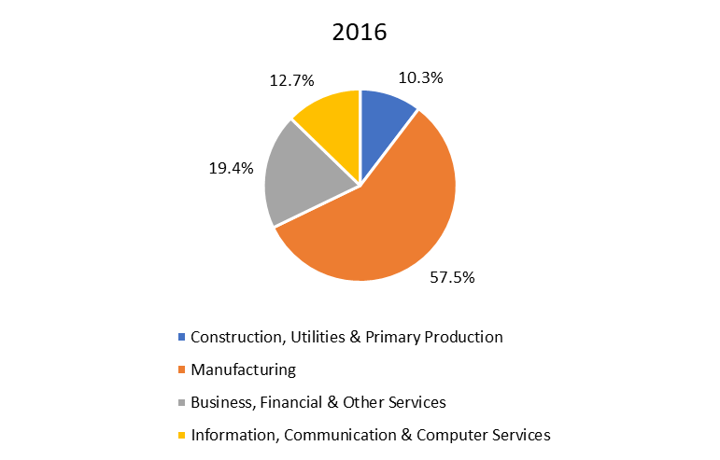
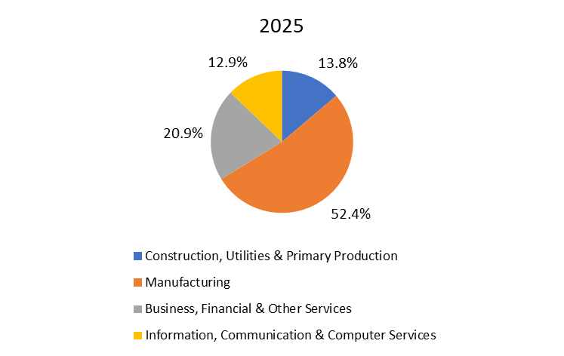

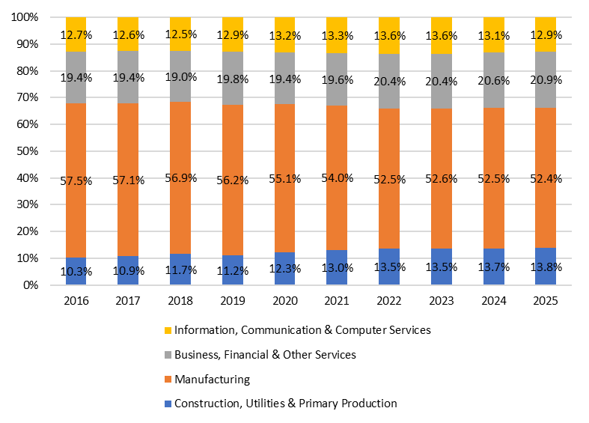

Total Industry | 95106 | 98870 | 104953 | 111172 | 114544 | 117389 | 124283 | 129155 | 132502
Food, Drink & Tobacco | 33241 | 34138 | 35736 | 37160 | 38593 | 38795 | 39518 | 40840 | 42696
Construction, Utilities & Primary Production | 14,040 | 15,284 | 16,968 | 19,133 | 19,202 | 21,612 | 24,381 | 26,624 | 27,254
Total Ind minus Food and Construction | 47,825 | 49,448 | 52,249 | 54,879 | 56,749 | 56,982 | 60,384 | 61,691 | 62,552
% of Remainder | 33.2% | 32.4% | 32.5% | 32.6% | 33.0% | 31.2% | 31.3% | 31.2% | 30.8%

3.6
...
 | 2016 | 2017 | 2018 | 2019 | 2020 | 2021 | 2022 | 2023 | 2024 | 2025 | 2024-2025 | % change 2024-25 | 2016-2025 | % 2016-2024
Construction, Utilities & Primary Production | 968 | 991 | 1,324 | 2,118 | 2,080 | 2,070 | 2,101 | 1,716 | 1,697 | 1,721 | 24 | 1.4% | 753 | 77.8% | 0.6%
Manufacturing | 97,741 | 100,874 | 106,133 | 111,226 | 115,526 | 120,945 | 128,527 | 132,464 | 134,391 | 137,167 | 2,776 | 2.1% | 39,426 | 40.3% | 72.1%
Total Industry | 98,709 | 101,865 | 107,457 | 113,344 | 117,606 | 123,015 | 130,628 | 134,180 | 136,088 | 138,888 | 2,800 | 2.1% | 40,179 | 40.7% | 72.8%
Business, Financial & Other Services | 35,333 | 38,764 | 41,293 | 45,630 | 47,662 | 49,823 | 53,373 | 55,052 | 57,700 | 58,491 | 791 | 1.4% | 23,158 | 65.5% | 20.6%
Information, Communication & Computer Services | 69,370 | 76,271 | 82,870 | 88,834 | 93,036 | 103,243 | 113,240 | 109,810 | 109,043 | 109,300 | 257 | 0.2% | 39,930 | 57.6% | 6.7%
Total Services | 104,703 | 115,035 | 124,163 | 134,464 | 140,698 | 153,066 | 166,613 | 164,862 | 166,743 | 167,791 | 1,048 | 0.6% | 63,088 | 60.3% | 27.2%
All Sectors | 203,412 | 216,900 | 231,620 | 247,808 | 258,304 | 276,081 | 297,241 | 299,042 | 302,831 | 306,679 | 3,848 | 1.3% | 103,267 | 50.8% | 100.0%

3.7
...
 |  |  |  |  |  |  |  | 2023 | 2024 | 2025 | 2024-2025 | % change 2024-2025 | 2024-2025 | % change 2024-2025
 |  |  |  |  |  |  |  | 55,052 | 57,700 | 58,491 | 791 | 1.4% | 23,158 | 65.5%
 |  |  |  |  |  |  |  | 109,810 | 109,043 | 109,300 | 257 | 0.2% | 39,930 | 57.6%
 |  |  |  |  |  |  |  | 164,862 | 166,743 | 167,791 | 1,048 | 0.6% | 63,088 | 60.3%
 |  |  |  |  |  |  |  | 299,042 | 302,831 | 306,679 | 3,848 | 1.3% | 103,267 | 50.8%

 | 2016 | 2017 | 2018 | 2019 | 2020 | 2021 | 2022 | 2023 | 2024 | 2025
Construction, Utilities & Primary Production | 0.5% | 0.5% | 0.6% | 0.9% | 0.8% | 0.7% | 0.7% | 0.6% | 0.6% | 0.6%
Manufacturing | 48.1% | 46.5% | 45.8% | 44.9% | 44.7% | 43.8% | 43.2% | 44.3% | 44.4% | 44.7%
Total Industry | 48.5% | 47.0% | 46.4% | 45.7% | 45.5% | 44.6% | 43.9% | 44.9% | 44.9% | 45.3%
Business, Financial & Other Services | 17.4% | 17.9% | 17.8% | 18.4% | 18.5% | 18.0% | 18.0% | 18.4% | 19.1% | 19.1%
2025
Information, Communication & Computer Services | 34.1% | 35.2% | 35.8% | 35.8% | 36.0% | 37.4% | 38.1% | 36.7% | 36.0% | 35.6%
Total Services | 51.5% | 53.0% | 53.6% | 54.3% | 54.5% | 55.4% | 56.1% | 55.1% | 55.1% | 54.7%
All Sectors | 100% | 100% | 100% | 100% | 100% | 100% | 100% | 100% | 100% | 100%

2016

